Sheet1
POWER BI-Syllabus
 |  | 1.Installtion of power bi
Module 1: Introduction to Power BI | TRUE | 2.over view of power bi and import data from excel
➢ Get Started with Power BI | TRUE | 3.Make a dash board
➢ Overview: Power BI concepts | TRUE | 4.Import data from sql server, from table, mean-median-mode-variance-stander devation
➢ Sign up for Power BI | TRUE | 5.power query editor, comparition data using card, map with slicer
➢ Overview: Power BI data sources | FALSE | 6.DAX,AVG,MIN,MAX,MEDIAN PROFIT, AVG-MIN-MAX-MEDIAN SALES, MAULTI CARD, TABLE, COLUMN DATAE(YEAR,MONTH,DAYS), LINE CHART COMPAIRISION, SECONDARY AXIS
➢ Connect to a SaaS solution | FALSE |  | comparision b/w ordermonth and sum sales-avg. sales, comparision b/w orderdays and sum sales-avg. sales,
➢ Upload a local CSV file | FALSE | daystoship=DATEDIFF(Order[order date],order[ship date],Day) , comparison b/w sub-catgory and daystoship
➢ Connect to Excel data that can be refreshed | FALSE | 7.Transfrom super store data,split column, by delimeter, cancel the change type1 , (hifun-, space, ), produt name
➢ Connect to a sample | FALSE | 8.Group By , replace value, Transpose, Revers Row, pivot column, statics, standard
➢ Create a Report with Visualizations | FALSE | 9.HR csv file upload, Trnsfrom data, split by delimeter, Tab,
➢ Explore the Power BI portal | FALSE | 10.Create a dashboard for HR DATA, Total Employee = COUNTROWS('HR Analytics Data'), MALE = CALCULATE([Total Employee], 'HR Analytics Data'[Gender]="Male")
Module 2: Viz and Tiles | FALSE |  | % Male = DIVIDE([MALE],[Total Employee],0) ,
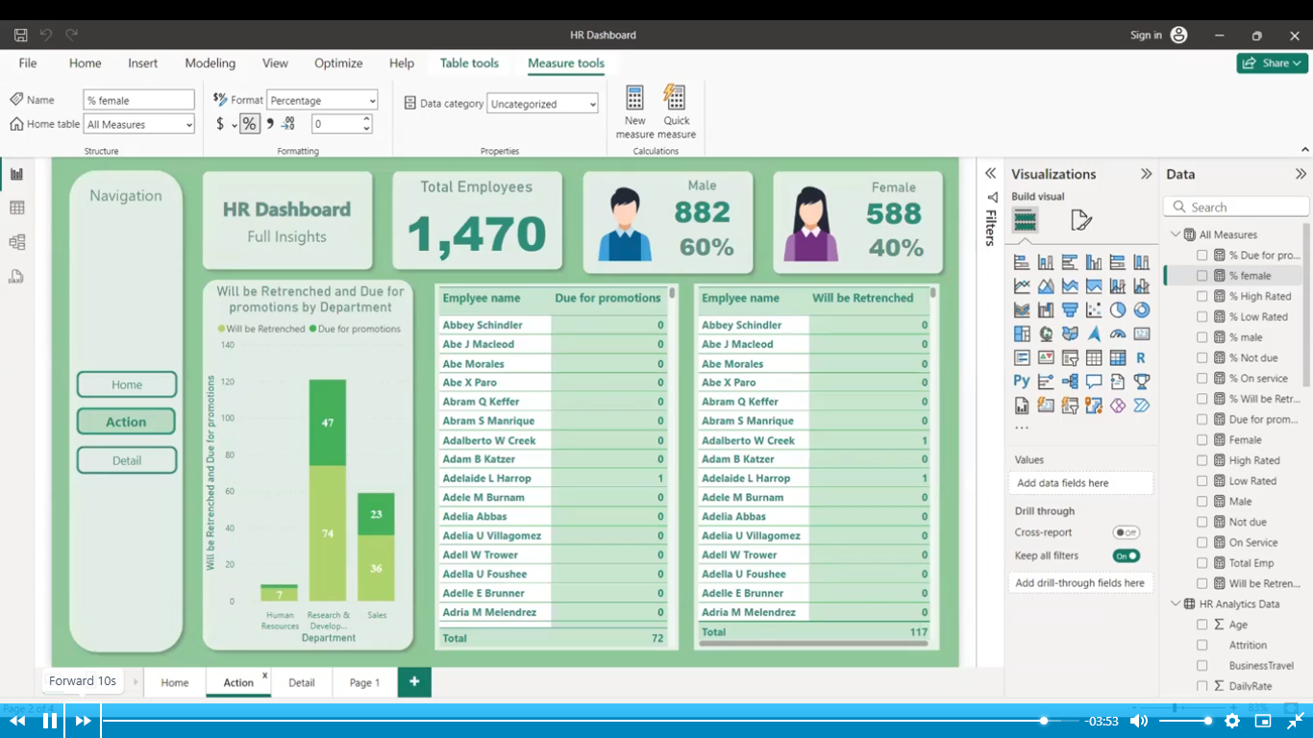
➢ Overview: Visualizations | FALSE
➢ Using visualizations | FALSE
➢ Create a new report | FALSE
➢ Create and arrange visualizations | FALSE
➢ Format a visualization | FALSE
➢ Create chart visualizations | FALSE
➢ Use text, map, and gauge visualizations and save a report | FALSE
➢ Use a slicer to filter visualizations | FALSE
➢ Sort, copy, and paste visualizations | FALSE
➢ Download and use a custom visual from the gallery | FALSE
Module 3: Reports and Dashboards | FALSE | 11.Create Hierarchy, (category hierarchy-sub category-product name) , (Region-country-state-city) , make a chart
➢ Modify and Print a Report | FALSE | 12. Group-Text data, Numerical data-bin,
➢ Rename and delete report pages | FALSE
➢ Add a filter to a page or report | FALSE
➢ Set visualization interactions | FALSE
➢ Print a report page | FALSE
➢ Send a report to PowerPoint | FALSE
➢ Create a Dashboard | TRUE
➢ Create and manage dashboards | TRUE
➢ Pin a report tile to a dashboard | FALSE
➢ Pin a live report page to a dashboard | FALSE
➢ Pin a tile from another dashboard | FALSE
➢ Pin an Excel element to a dashboard | FALSE
➢ Manage pinned elements in Excel | FALSE
➢ Add a tile to a dashboard | FALSE
➢ Build a dashboard with Quick Insights | FALSE
➢ Set a Featured (default) dashboard | FALSE
➢ Ask Questions about Your Data | FALSE
➢ Ask a question with Power BI Q&A | FALSE
➢ Tweak your dataset for Q&A | FALSE
➢ Enable Cortana for Power BI | FALSE
Module 4: Publishing Workbooks and Workspace | FALSE
➢ Share Data with Colleagues and Others | FALSE
➢ Publish a report to the web | FALSE
➢ Manage published reports | FALSE
➢ Share a dashboard | FALSE
➢ Create an app workspace and add users | FALSE
➢ Use an app workspace | FALSE
➢ Publish an app | FALSE
➢ Create a QR code to share a tile | FALSE
➢ Embed a report in SharePoint Online | FALSE
Module 5: Other Power BI Components and Table Relationship | FALSE
➢ Use Power BI Mobile Apps | FALSE
➢ Get Power BI for mobile | FALSE
➢ View reports and dashboards in the iPad app | FALSE
➢ Use workspaces in the mobile app | FALSE
➢ Sharing from Power BI Mobile | FALSE
➢ Use Power BI Desktop | FALSE
➢ Install and launch Power BI Desktop | FALSE
➢ Get data | FALSE
➢ Reduce data | FALSE
➢ Transform data | FALSE
➢ Relate tables | FALSE
➢ Get Power BI Desktop data with the Power BI service | FALSE
➢ Export a report from Power BI service to Desktop | FALSE
Module 6: DAX functions | FALSE
➢ New Dax functions | FALSE
➢ Date and time functions | FALSE
➢ Time intelligence functions | FALSE
➢ Filter functions | FALSE
➢ Information functions | FALSE
➢ Logical functions | FALSE
➢ Math & trig functions | FALSE
➢ Parent and child functions | FALSE
➢ Text functions | FALSE

